aPAM1 pH7
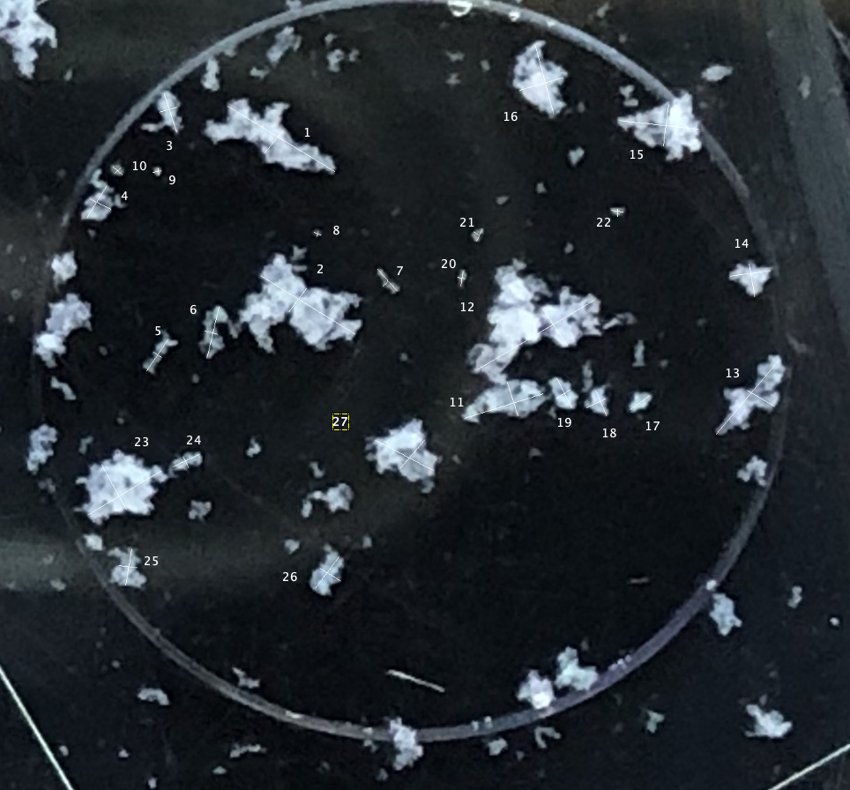
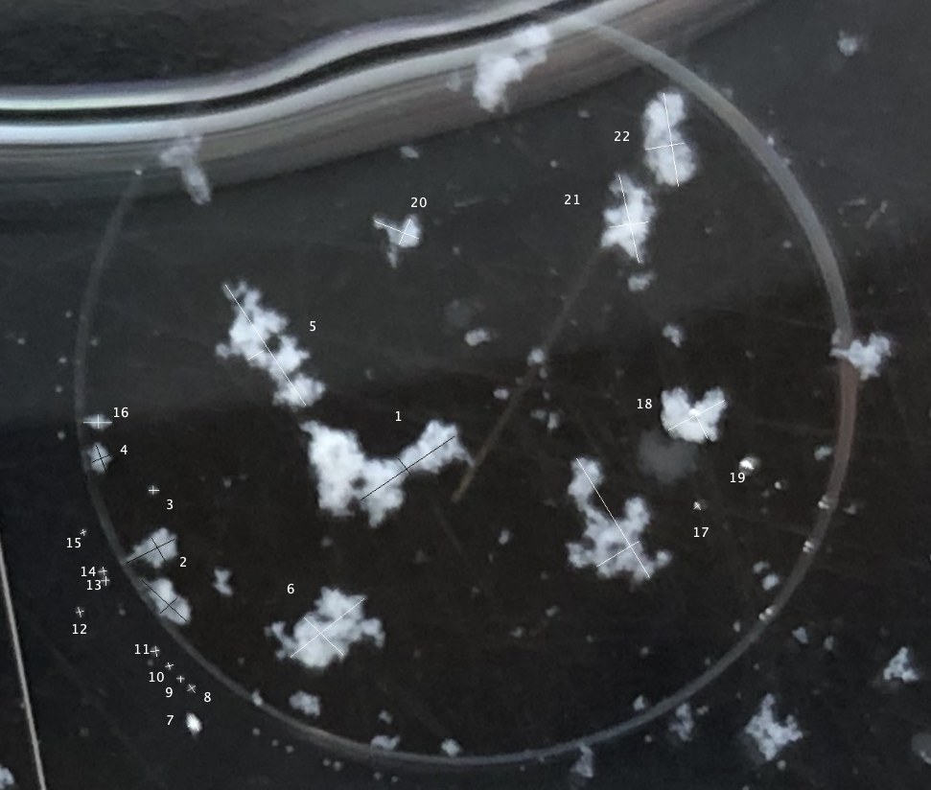
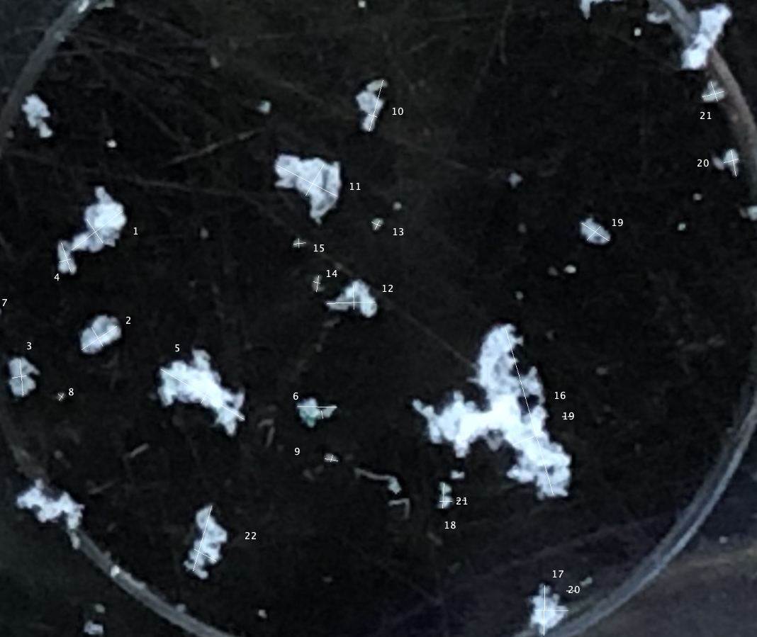
Image 1 |  |  |  |  |  |  |  |  |  |  |  |  | Image 1 |  |  |  |  |  |  | Image 1
 | Area | Mean | Min | Max | Angle | Length |  |  |  |  |  |  |  | Area | Mean | Min | Max | Angle | Length |  | Area | Mean | Min | Max | Angle | Length
2 | 0.029 | 187.257 | 105.333 | 227.089 | 34.192 | 2.144 |  |  |  |  |  |  | 1 | 0.03 | 192.08 | 51.833 | 233.018 | -31.351 | 2.387 | 1 | 0.011 | 199.608 | 117.927 | 236.708 | 37.539 | 1.121
3 | 0.005 | 150.062 | 65 | 191.534 | -52.306 | 0.376 |  |  |  |  |  |  | 2 | 0.007 | 196.698 | 123.751 | 242.467 | 50.44 | 0.561 | 2 | 0.005 | 178.653 | 155.333 | 226.206 | -55.713 | 0.498
4 | 0.016 | 140.861 | 78.075 | 189.262 | -42.594 | 1.14 |  |  |  |  |  |  | 3 | 0.026 | 195.462 | 123 | 226.642 | 148.122 | 2.091 | 3 | 0.005 | 159.892 | 111 | 198.842 | -71.565 | 0.533
5 | 0.006 | 129.064 | 37.156 | 141.343 | 42.397 | 0.422 |  |  |  |  |  |  | 4 | 0.007 | 175.306 | 128.333 | 248.676 | 52.869 | 0.551 | 4 | 0.002 | 165.124 | 56 | 217.088 | 15.945 | 0.204
6 | 0.014 | 132.577 | 63 | 179.863 | 26.565 | 0.999 |  |  |  |  |  |  | 5 | 0.009 | 136.057 | 47.5 | 181.41 | 55.751 | 0.713 | 5 | 0.007 | 196.356 | 51 | 225.29 | 33.69 | 0.742
7 | 0.007 | 147.956 | 3.883 | 190.489 | -59.3 | 0.504 |  |  |  |  |  |  | 6 | 0.003 | 100.59 | 46.667 | 207.828 | -32.619 | 0.186 | 6 | 0.004 | 178.358 | 84.667 | 241.139 | -59.036 | 0.382
8 | 0.005 | 146.896 | 60.667 | 171.872 | 22.62 | 0.352 |  |  |  |  |  |  | 7 | 0.009 | 173.389 | 132.325 | 216.961 | 58.261 | 0.715 | 7 | 0.006 | 158.543 | 115.788 | 184.455 | 95.194 | 0.62
9 | 0.007 | 137.918 | 2.67E-10 | 177.548 | 109.855 | 0.518 |  |  |  |  |  |  | 8 | 0.006 | 129.853 | 80.868 | 216.03 | -28.025 | 0.441 | 8 | 0.002 | 151.93 | 115.667 | 255 | 8.746 | 0.246
10 | 0.004 | 135.299 | 66.333 | 173.737 | -86.987 | 0.258 |  |  |  |  |  |  | 9 | 0.01 | 190.136 | 125 | 225.483 | -71.862 | 0.766 | 9 | 0.016 | 219.276 | 97.333 | 247.333 | 148.928 | 1.705
11 | 0.007 | 125.5 | 57.667 | 255 | 0 | 0.528 |  |  |  |  |  |  | 10 | 0.004 | 165.71 | 38 | 241.586 | 14.797 | 0.344 | 10 | 0.004 | 228.529 | 110 | 249 | 59.657 | 0.445
12 | 0.037 | 161.559 | 65.524 | 234.848 | -56.389 | 2.714 |  |  |  |  |  |  | 11 | 0.012 | 119.985 | 43.735 | 195.028 | 77.115 | 0.985 | 11 | 0.007 | 122.367 | 23.396 | 189.667 | 179.226 | 0.693
13 | 0.005 | 197.393 | 157.667 | 220.104 | 29.745 | 0.327 |  |  |  |  |  |  | 12 | 0.003 | 139.957 | 71.667 | 218.463 | -13.671 | 0.239 | 12 | 0.001 | 100.851 | 34.667 | 145.333 | 102.095 | 0.134
14 | 0.024 | 180.256 | 96.333 | 211.445 | 38.454 | 1.763 |  |  |  |  |  |  | 13 | 0.007 | 121.789 | 51.667 | 159.393 | -48.257 | 0.546 | 13 | 0.002 | 124.036 | 85.667 | 144.667 | -33.69 | 0.169
15 | 0.014 | 183.935 | 114 | 241.596 | -43.919 | 1.015 |  |  |  |  |  |  | 14 | 0.002 | 104.381 | 58.333 | 162.5 | 43.152 | 0.138 | 14 | 8.76E-04 | 119.107 | 52.667 | 208.778 | 49.399 | 0.086
16 | 0.005 | 207.17 | 130.333 | 250.333 | -60.255 | 0.327 |  |  |  |  |  |  | 15 | 0.002 | 83.546 | 61.167 | 95.642 | -23.199 | 0.143 | 15 | 0.001 | 93.473 | 58.333 | 106 | 56.31 | 0.135
17 | 0.003 | 211.225 | 85.333 | 253.167 | 29.745 | 0.218 |  |  |  |  |  |  | 16 | 0.001 | 103.677 | 48.167 | 174.619 | 77.905 | 0.09 | 16 | 0.001 | 94.921 | 52 | 157 | -41.634 | 0.113
18 | 0.003 | 81.078 | 43.083 | 104.972 | -54.638 | 0.172 |  |  |  |  |  |  | 17 | 0.002 | 159.383 | 118.667 | 177.033 | 92.862 | 0.126 | 17 | 0.002 | 107.627 | 47.667 | 136 | -9.462 | 0.228
19 | 0.002 | 85.879 | 41.083 | 176.667 | 32.829 | 0.166 |  |  |  |  |  |  | 18 | 0.002 | 131.226 | 13.667 | 216.061 | 9.09 | 0.159 | 18 | 0.001 | 119.256 | 56.667 | 255 | -102.995 | 0.125
20 | 0.002 | 79.676 | 54.333 | 92.667 | 90 | 0.108 |  |  |  |  |  |  | 19 | 0.003 | 127.482 | 49.333 | 146.632 | -41.76 | 0.235 | 19 | 0.009 | 133.844 | 14.08 | 209.271 | 74.846 | 0.931
21 | 0.002 | 89.985 | 48.833 | 173.167 | 0 | 0.135 |  |  |  |  |  |  | 20 | 0.002 | 127.118 | 74.667 | 185.472 | 41.634 | 0.151 | 20 | 0.002 | 164.192 | 51.333 | 226.612 | -17.354 | 0.157
22 | 0.002 | 74.412 | 50.25 | 93.244 | 104.534 | 0.126 |  |  |  |  |  |  | 21 | 0.02 | 165.589 | 50.108 | 230.033 | 17.409 | 1.551 | 21 | 0.011 | 189.883 | 106.123 | 229.968 | -27.378 | 1.181
23 | 0.002 | 88.191 | 42.083 | 232.93 | 10.954 | 0.142 |  |  |  |  |  |  | 22 | 0.008 | 172.843 | 120 | 239.497 | -72.255 | 0.659 | 22 | 0.006 | 203.853 | 89 | 240.472 | 59.621 | 0.629
24 | 0.003 | 75.824 | 54.194 | 92.498 | 96.953 | 0.186 |  |  |  |  |  |  | 23 | 0.033 | 187.774 | 86.401 | 248.893 | 30.774 | 2.599 | 23 | 0.008 | 155.121 | 99.667 | 224.733 | 1.909 | 0.843
25 | 0.002 | 97.861 | 47.917 | 189.537 | 4.899 | 0.159 |  |  |  |  |  |  | 24 | 0.011 | 225.77 | 164.667 | 241.606 | -56.07 | 0.832 | 24 | 0.004 | 155.6 | 28 | 255 | -88.727 | 0.421
26 | 0.003 | 63.121 | 50.417 | 70.333 | 99.689 | 0.188 |  |  |  |  |  |  | 25 | 0.023 | 168.462 | 31 | 237.867 | 49.695 | 1.842 | 25 | 0.002 | 132.611 | 90 | 145.667 | 63.435 | 0.167
27 | 0.002 | 79.287 | 49.972 | 223.722 | 13.134 | 0.139 |  |  |  |  |  |  | 26 | 0.008 | 162.464 | 104 | 253.312 | -30.343 | 0.596 | 26 | 0.002 | 118.905 | 43.667 | 196.781 | -23.629 | 0.163
28 | 0.002 | 80.614 | 57.306 | 100.397 | 91.548 | 0.167 |  |  |  |  |  |  | 27 | 0.01 | 201.789 | 111.667 | 232.89 | 7.472 | 0.772 | 27 | 0.003 | 101.112 | 35 | 118.8 | -97.595 | 0.283
29 | 0.002 | 95.021 | 47.417 | 250.723 | 7.696 | 0.168 |  |  |  |  |  |  | 28 | 0.008 | 189.131 | 56.667 | 246.309 | -80.727 | 0.623 | 28 | 0.001 | 102.941 | 35.333 | 255 | -12.995 | 0.125
30 | 0.002 | 85.251 | 56.167 | 102.833 | 3.27 | 0.158 |  |  |  |  |  |  | 29 | 0.019 | 198.33 | 99.293 | 249.02 | -6.234 | 1.502 | 29 | 0.002 | 100.313 | 5.00E+01 | 130.319 | 4.97 | 0.216
31 | 0.002 | 91.562 | 41.583 | 203.611 | 99.728 | 0.16 |  |  |  |  |  |  | 30 | 0.01 | 170.7 | 81 | 228.12 | 82.648 | 0.784 | 30 | 0.002 | 90.025 | 2.333 | 255 | -86.634 | 0.159
32 | 0.002 | 75.703 | 42.361 | 93.333 | 102.995 | 0.12 |  |  |  |  |  |  | 31 | 0.017 | 198.141 | 99.333 | 234.81 | -75.069 | 1.363 | 31 | 0.029 | 161.217 | 5.826 | 245.917 | -74.006 | 3.057
33 | 0.001 | 102.576 | 54.25 | 251.129 | 24.228 | 0.099 |  |  |  |  |  |  | 32 | 0.011 | 215.637 | 120.333 | 249.27 | 16.294 | 0.85 | 32 | 0.006 | 234.112 | 194.667 | 254.135 | 21.631 | 0.584
34 | 0.003 | 90.126 | 57.667 | 103.393 | -2.726 | 0.19 |  |  |  |  |  |  | 33 | 0.006 | 196.223 | 94 | 218.877 | 35.91 | 0.449 | 33 | 0.008 | 179.627 | 62.667 | 243.441 | 89.384 | 0.871
35 | 0.002 | 98.692 | 52.389 | 180.694 | 90 | 0.149 |  |  |  |  |  |  | 34 | 0.004 | 208.014 | 148 | 230.212 | -50.194 | 0.294 | 34 | 0.006 | 194.682 | 106 | 240.968 | -0.924 | 0.58
36 | 0.036 | 130.216 | 29.38 | 190.601 | -58.451 | 2.613 |  |  |  |  |  |  | 35 | 0.007 | 187.996 | 71.333 | 223.533 | 112.834 | 0.517 | 35 | 0.004 | 145.925 | 90.667 | 176.986 | 86.269 | 0.431
37 | 0.013 | 150.119 | 91.25 | 223.315 | 30.53 | 0.919 |  |  |  |  |  |  | 36 | 0.005 | 178.856 | 59.667 | 246.621 | 24.905 | 0.387 | 36 | 0.002 | 149.569 | 63.667 | 255 | 0 | 0.215
38 | 0.016 | 207.102 | 124.463 | 252.223 | 27.748 | 1.173 |  |  |  |  |  |  | 37 | 0.008 | 190.741 | 134.254 | 236.805 | -63.435 | 0.617 | 37 | 0.005 | 163.119 | 82.333 | 195.726 | -32.905 | 0.569
39 | 0.008 | 210.549 | 89.917 | 251.426 | -63.435 | 0.605 |  |  |  |  |  |  | 38 | 0.004 | 190.459 | 152.843 | 230.636 | 31.759 | 0.31 | 38 | 0.003 | 166.969 | 77.333 | 242.667 | 45 | 0.324
40 | 0.002 | 132.774 | 59.75 | 166.5 | -55.008 | 0.165 |  |  |  |  |  |  | 39 | 0.004 | 122.762 | 73.667 | 150.5 | 82.235 | 0.279 | 39 | 0.004 | 149.59 | 52.833 | 196.222 | -78.69 | 0.453
41 | 0.002 | 139.452 | 44.167 | 240.824 | 38.991 | 0.122 |  |  |  |  |  |  | 40 | 0.002 | 127.811 | 67 | 223.909 | -10.305 | 0.14 | 40 | 0.002 | 167.365 | 104.333 | 226.313 | 15.068 | 0.252
42 | 0.004 | 210.235 | 71.5 | 253.817 | -26.147 | 0.276 |  |  |  |  |  |  | 41 | 0.003 | 116.529 | 64 | 144.88 | 66.038 | 0.247 | 41 | 0.004 | 166.025 | 101.667 | 190.119 | 14.534 | 0.392
43 | 0.002 | 204.471 | 94.194 | 252.333 | 65.225 | 0.129 |  |  |  |  |  |  | 42 | 0.002 | 108.909 | 48 | 133.753 | -35.538 | 0.108 | 42 | 0.003 | 148.448 | 74.833 | 240.015 | -70.852 | 0.357
44 | 0.012 | 165.81 | 106.667 | 214.957 | -21.318 | 0.894 |  |  |  |  |  |  | 43 | 0.003 | 141.823 | 71.667 | 168.889 | -6.34 | 0.227 | 43 | 0.011 | 168.861 | 86.333 | 227.018 | 73.993 | 1.188
45 | 0.007 | 190.072 | 154 | 229.41 | 66.501 | 0.509 |  |  |  |  |  |  | 44 | 0.002 | 139.583 | 23.667 | 255 | 90 | 0.138 | 44 | 0.004 | 163.634 | 113.333 | 217.016 | -29.291 | 0.44
46 | 0.023 | 168.69 | 82.985 | 241.403 | -77.421 | 1.678 |  |  |  |  |  |  | 45 | 0.02 | 205.525 | 115.167 | 234.407 | 30.887 | 1.601
47 | 0.01 | 206.201 | 141.667 | 250.016 | 7.058 | 0.716 |  |  |  |  |  |  | 46 | 0.012 | 206.866 | 117.667 | 254.622 | 119.236 | 0.963
48 | 0.024 | 186.025 | 72.75 | 205.144 | 98.813 | 1.767 |  |  |  |  |  |  | 47 | 0.007 | 171.102 | 89 | 194.604 | 25.058 | 0.533
49 | 0.01 | 171.951 | 133.833 | 228.459 | 9.111 | 0.727 |  |  |  |  |  |  | 48 | 0.003 | 129.628 | 34.25 | 227.839 | -64.799 | 0.236
 |  |  |  |  |  |  |  |  |  |  |  |  | 49 | 0.009 | 176.499 | 101.167 | 212.267 | -99.978 | 0.688
 |  |  |  |  |  |  |  |  |  |  |  |  | 50 | 0.005 | 154.137 | 38.333 | 239.031 | -5.194 | 0.346
 |  |  |  |  |  |  |  |  |  |  |  |  | 51 | 0.01 | 162.928 | 59.667 | 201.131 | 52.943 | 0.77
 |  |  |  |  |  |  |  |  |  |  |  |  | 52 | 0.006 | 153.828 | 44.833 | 216.509 | -32.171 | 0.459
 |  |  |  |  |  |  |  |  |  |  |  |  | 53 | 0.016 | 180.885 | 115.5 | 238.333 | -27.464 | 1.251
 |  |  |  |  |  |  |  |  |  |  |  |  | 56 | 0.009 | 169.764 | 113 | 223.737 | 48.958 | 0.707

 | Jar 1 |  |  |  |  |  | Jar 2 |  |  |  |  | Jar 3

 | Length |  | L | W | Ellipsoid Length |  | Length |  | L | W | Ellipsoid Length | Length |  | L | W | Ellipsoid Length
 | 2.144 | TRUE | 2.144 | 0.376 | 0.9 |  | 2.387 | TRUE | 2.387 | 0.561 | 1.2 | 1.121 | TRUE | 1.121 | 0.498 | 0.7
 | 0.376 | FALSE |  |  |  |  | 0.561 | FALSE |  |  |  | 0.498 | FALSE
 | 1.14 | TRUE | 1.14 | 0.422 | 0.7 |  | 2.091 | TRUE | 2.091 | 0.551 | 1.1 | 0.533 | TRUE | 0.533 | 0.204 | 0.3
 | 0.422 | FALSE |  |  |  |  | 0.551 | FALSE |  |  |  | 0.204 | FALSE
 | 0.999 | TRUE | 0.999 | 0.504 | 0.7 |  | 0.713 | TRUE | 0.713 | 0.186 | 0.4 | 0.742 | TRUE | 0.742 | 0.382 | 0.5
 | 0.504 | FALSE |  |  |  |  | 0.186 | FALSE |  |  |  | 0.382 | FALSE
 | 0.352 | TRUE | 0.352 | 0.518 | 0.4 |  | 0.715 | TRUE | 0.715 | 0.441 | 0.6 | 0.62 | TRUE | 0.62 | 0.246 | 0.4
 | 0.518 | FALSE |  |  |  |  | 0.441 | FALSE |  |  |  | 0.246 | FALSE
 | 0.258 | TRUE | 0.258 | 0.528 | 0.4 |  | 0.766 | TRUE | 0.766 | 0.344 | 0.5 | 1.705 | TRUE | 1.705 | 0.445 | 0.9
 | 0.528 | FALSE |  |  |  |  | 0.344 | FALSE |  |  |  | 0.445 | FALSE
 | 2.714 | TRUE | 2.714 | 0.327 | 0.9 |  | 0.985 | TRUE | 0.985 | 0.239 | 0.5 | 0.693 | TRUE | 0.693 | 0.134 | 0.3
 | 0.327 | FALSE |  |  |  |  | 0.239 | FALSE |  |  |  | 0.134 | FALSE
 | 1.763 | TRUE | 1.763 | 1.015 | 1.3 |  | 0.546 | TRUE | 0.546 | 0.138 | 0.3 | 0.169 | TRUE | 0.169 | 0.086 | 0.1
 | 1.015 | FALSE |  |  |  |  | 0.138 | FALSE |  |  |  | 0.086 | FALSE
 | 0.327 | TRUE | 0.327 | 0.218 | 0.3 |  | 0.143 | TRUE | 0.143 | 0.09 | 0.1 | 0.135 | TRUE | 0.135 | 0.113 | 0.1
 | 0.218 | FALSE |  |  |  |  | 0.09 | FALSE |  |  |  | 0.113 | FALSE
 | 0.172 | TRUE | 0.172 | 0.166 | 0.2 |  | 0.126 | TRUE | 0.126 | 0.159 | 0.1 | 0.228 | TRUE | 0.228 | 0.125 | 0.2
 | 0.166 | FALSE |  |  |  |  | 0.159 | FALSE |  |  |  | 0.125 | FALSE
 | 0.108 | TRUE | 0.108 | 0.135 | 0.1 |  | 0.235 | TRUE | 0.235 | 0.151 | 0.2 | 0.931 | TRUE | 0.931 | 0.157 | 0.4
 | 0.135 | FALSE |  |  |  |  | 0.151 | FALSE |  |  |  | 0.157 | FALSE
 | 0.126 | TRUE | 0.126 | 0.142 | 0.1 |  | 1.551 | TRUE | 1.551 | 0.659 | 1.0 | 1.181 | TRUE | 1.181 | 0.629 | 0.9
 | 0.142 | FALSE |  |  |  |  | 0.659 | FALSE |  |  |  | 0.629 | FALSE
 | 0.186 | TRUE | 0.186 | 0.159 | 0.2 |  | 2.599 | TRUE | 2.599 | 0.832 | 1.5 | 0.843 | TRUE | 0.843 | 0.421 | 0.6
 | 0.159 | FALSE |  |  |  |  | 0.832 | FALSE |  |  |  | 0.421 | FALSE
 | 0.188 | TRUE | 0.188 | 0.139 | 0.2 |  | 1.842 | TRUE | 1.842 | 0.596 | 1.0 | 0.167 | TRUE | 0.167 | 0.163 | 0.2
 | 0.139 | FALSE |  |  |  |  | 0.596 | FALSE |  |  |  | 0.163 | FALSE
 | 0.167 | TRUE | 0.167 | 0.168 | 0.2 |  | 0.772 | TRUE | 0.772 | 0.623 | 0.7 | 0.283 | TRUE | 0.283 | 0.125 | 0.2
 | 0.168 | FALSE |  |  |  |  | 0.623 | FALSE |  |  |  | 0.125 | FALSE
 | 0.158 | TRUE | 0.158 | 0.16 | 0.2 |  | 1.502 | TRUE | 1.502 | 0.784 | 1.1 | 0.216 | TRUE | 0.216 | 0.159 | 0.2
 | 0.16 | FALSE |  |  |  |  | 0.784 | FALSE |  |  |  | 0.159 | FALSE
 | 0.12 | TRUE | 0.12 | 0.099 | 0.1 |  | 1.363 | TRUE | 1.363 | 0.85 | 1.1 | 3.057 | TRUE | 3.057 | 0.584 | 1.3
 | 0.099 | FALSE |  |  |  |  | 0.85 | FALSE |  |  |  | 0.584 | FALSE
 | 0.19 | TRUE | 0.19 | 0.149 | 0.2 |  | 0.449 | TRUE | 0.449 | 0.294 | 0.4 | 0.871 | TRUE | 0.871 | 0.58 | 0.7
 | 0.149 | FALSE |  |  |  |  | 0.294 | FALSE |  |  |  | 0.58 | FALSE
 | 2.613 | TRUE | 2.613 | 0.919 | 1.5 |  | 0.517 | TRUE | 0.517 | 0.387 | 0.4 | 0.431 | TRUE | 0.431 | 0.215 | 0.3
 | 0.919 | FALSE |  |  |  |  | 0.387 | FALSE |  |  |  | 0.215 | FALSE
 | 1.173 | TRUE | 1.173 | 0.605 | 0.8 |  | 0.617 | TRUE | 0.617 | 0.31 | 0.4 | 0.569 | TRUE | 0.569 | 0.324 | 0.4
 | 0.605 | FALSE |  |  |  |  | 0.31 | FALSE |  |  |  | 0.324 | FALSE
 | 0.165 | TRUE | 0.165 | 0.122 | 0.1 |  | 0.279 | TRUE | 0.279 | 0.14 | 0.2 | 0.453 | TRUE | 0.453 | 0.252 | 0.3
 | 0.122 | FALSE |  |  |  |  | 0.14 | FALSE |  |  |  | 0.252 | FALSE
 | 0.276 | TRUE | 0.276 | 0.129 | 0.2 |  | 0.247 | TRUE | 0.247 | 0.108 | 0.2 | 0.392 | TRUE | 0.392 | 0.357 | 0.4
 | 0.129 | FALSE |  |  |  |  | 0.108 | FALSE |  |  |  | 0.357 | FALSE
 | 0.894 | TRUE | 0.894 | 0.509 | 0.7 |  | 0.227 | TRUE | 0.227 | 0.138 | 0.2 | 1.188 | TRUE | 1.188 | 0.44 | 0.7
 | 0.509 | FALSE |  |  |  |  | 0.138 | FALSE |  |  |  | 0.44 | FALSE
 | 1.678 | TRUE | 1.678 | 0.716 | 1.1 |  | 1.601 | TRUE | 1.601 | 0.963 | 1.2
 | 0.716 | FALSE |  |  |  |  | 0.963 | FALSE
 | 1.767 | TRUE | 1.767 | 0.727 | 1.1 |  | 0.533 | TRUE | 0.533 | 0.236 | 0.4
 | 0.727 | FALSE |  |  |  |  | 0.236 | FALSE
 |  |  |  |  |  |  | 0.688 | TRUE | 0.688 | 0.346 | 0.5
 |  |  |  |  |  |  | 0.346 | FALSE
 |  |  |  |  |  |  | 0.77 | TRUE | 0.77 | 0.459 | 0.6
 |  |  |  |  |  |  | 0.459 | FALSE
 |  |  |  |  |  |  | 1.251 | TRUE | 1.251 | 0.707 | 0.9
 |  |  |  |  |  |  | 0.707 | FALSE

